Main Interfaces (List, Set, Qu)
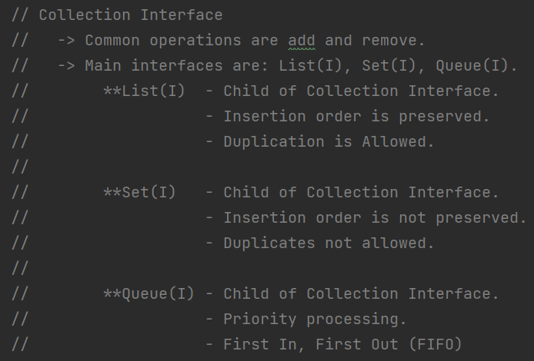
 | Main Interfaces in Collection Interface |  |  | Independent Interface
 | List<DataType> | Set<DataType> | Queue<DataType> | Map <Key, Value>
Child of Collection Interface.
Insertion Order is Preserved.
Duplicated Allowed.
Priority Processing (FIFO)
Keys should be Unique.
Values can be duplicated.

Classes Implemented:
ArrayList
LinkedList
Vector, Stack (Legacy Classes)
HashSet
LinkedHashSet
PriorityQueue
Deque
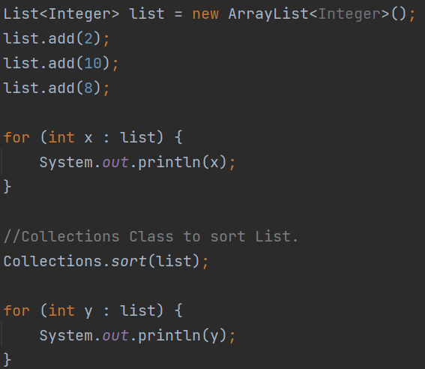
HashMap
LinkedHashMap
HashTable

ArrayList
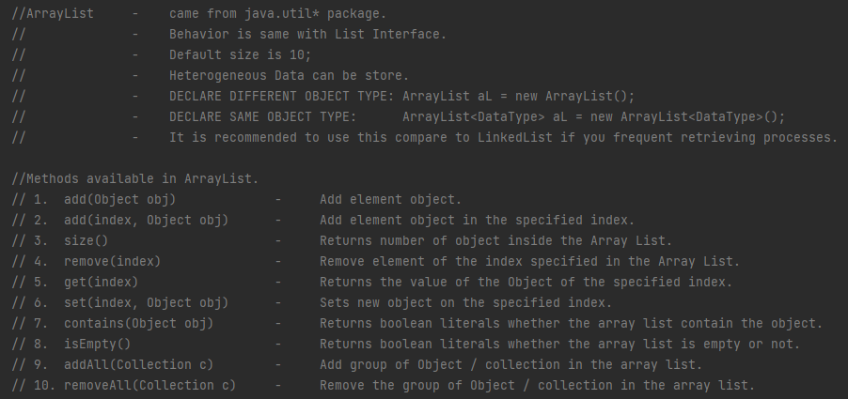

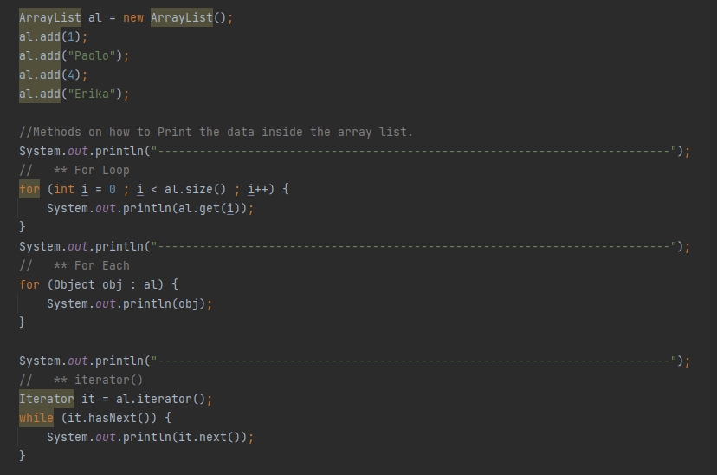

LinkedList
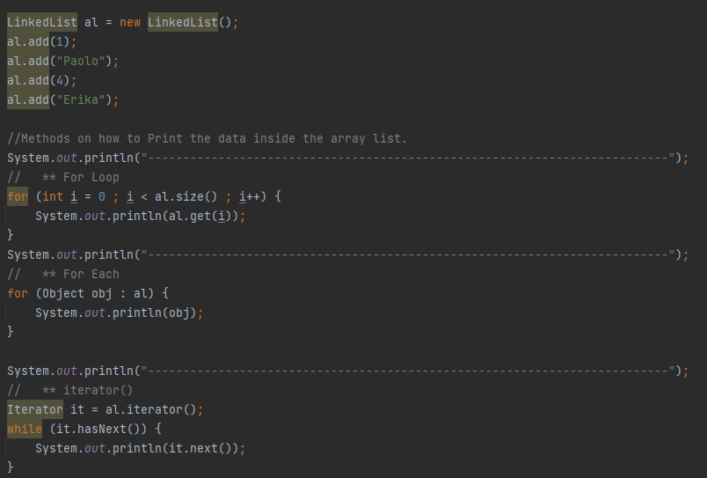
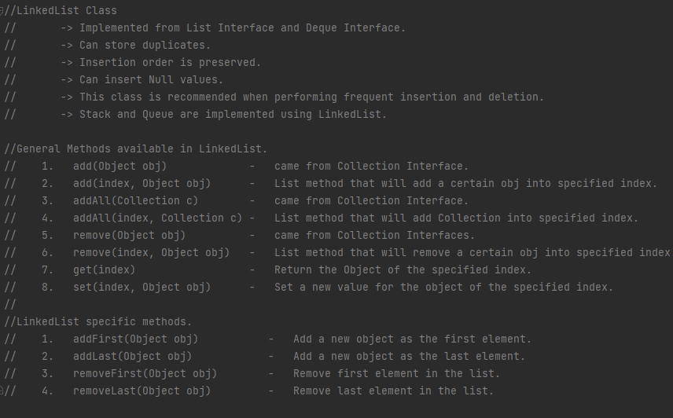

Print objects inside the LinkedList.

HashSet
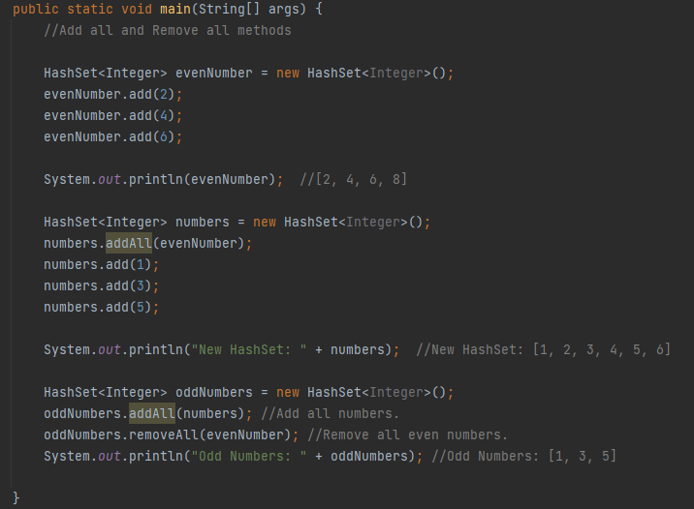
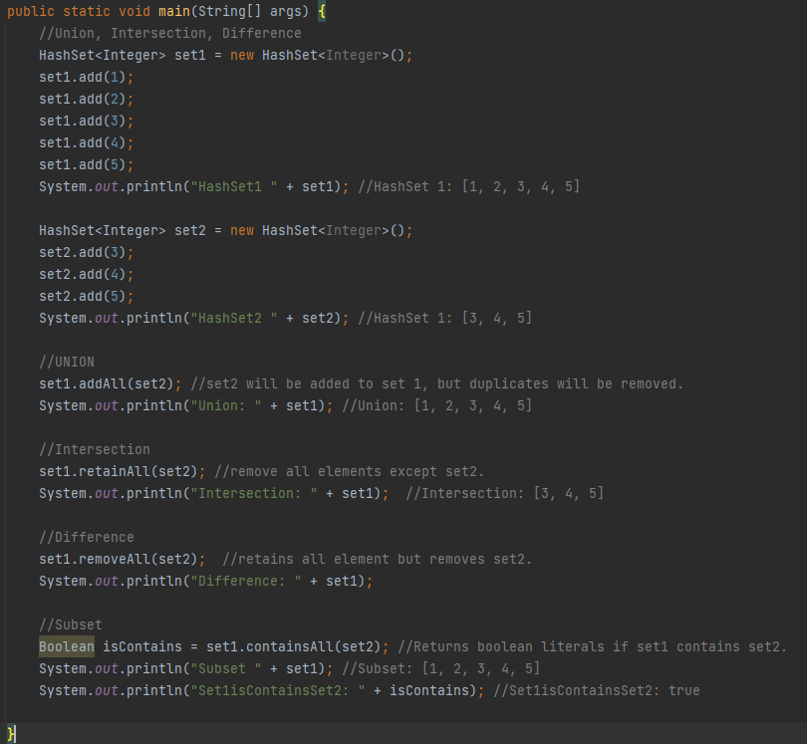
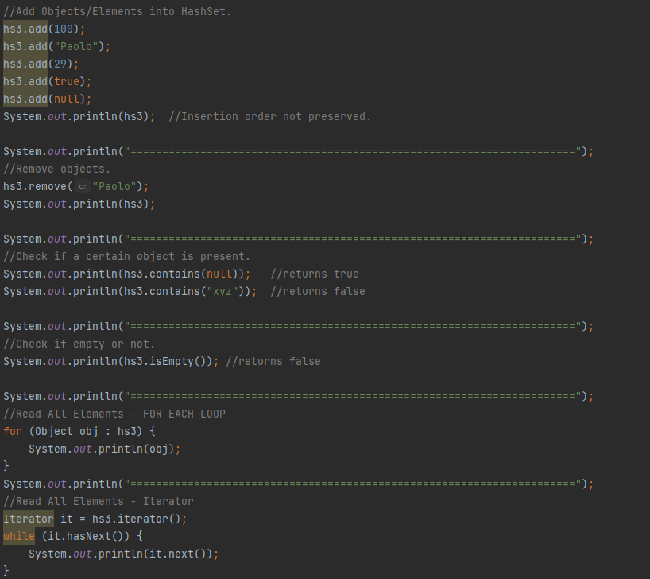
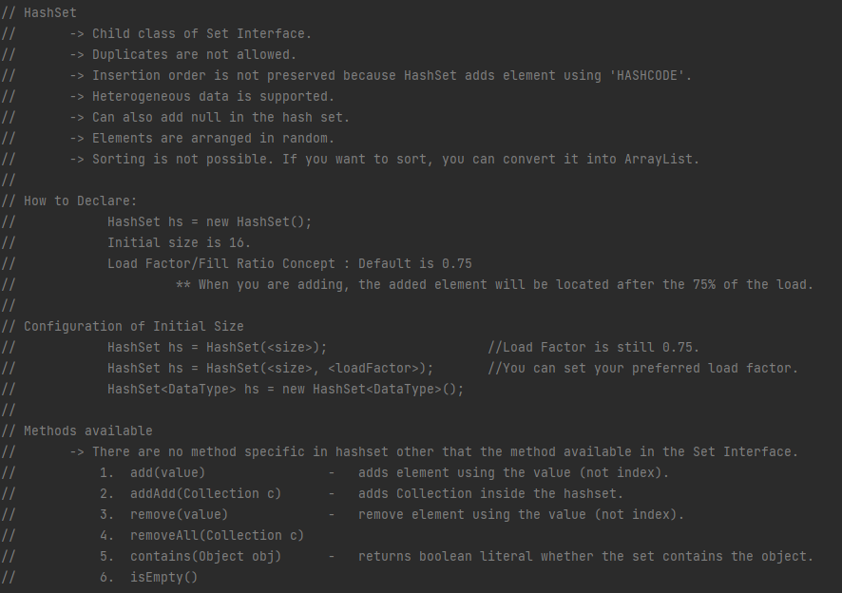

DEMO

LinkedHashSet
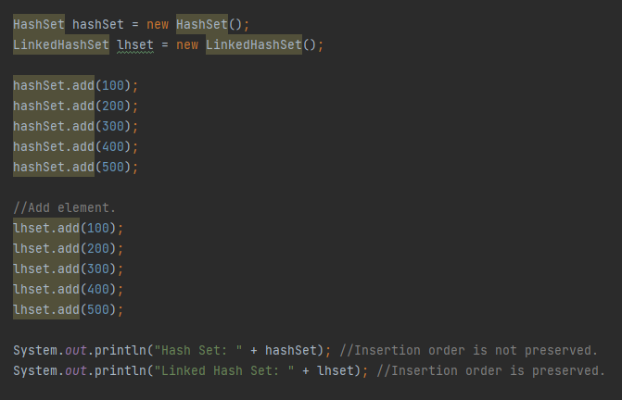
DEMO

Queue
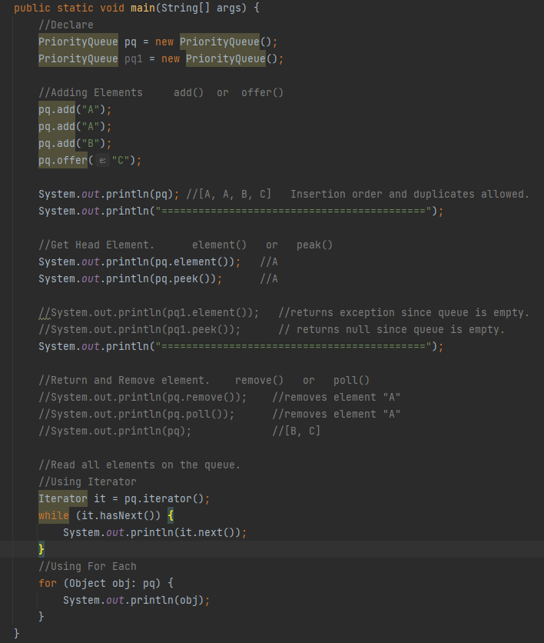
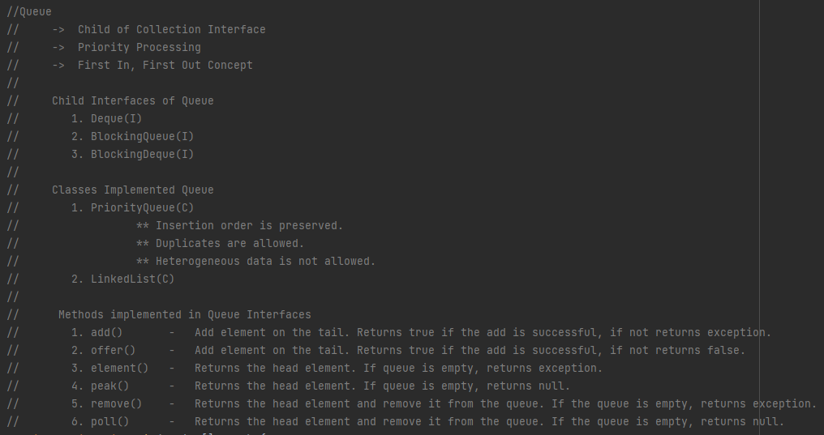

DEMO

Map & HashMap
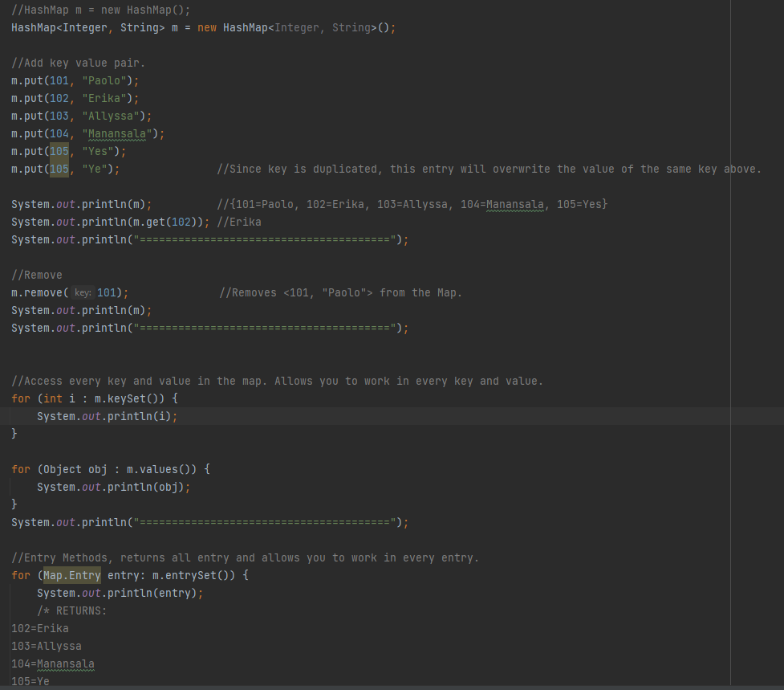
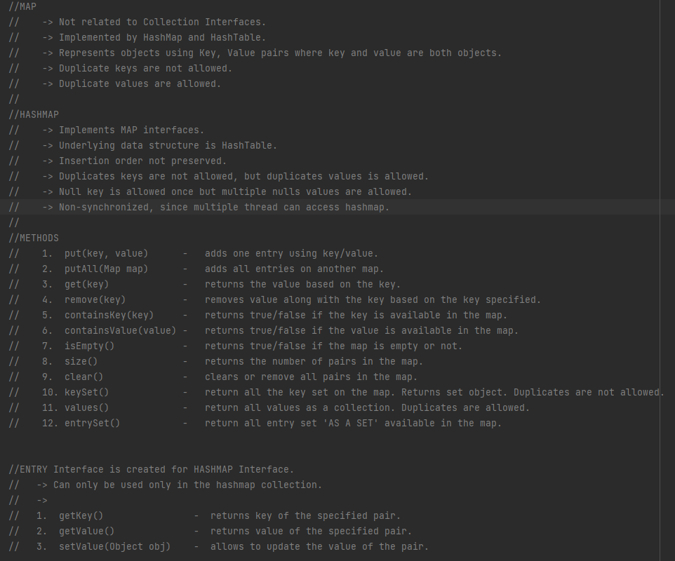

DEMO

HashTable
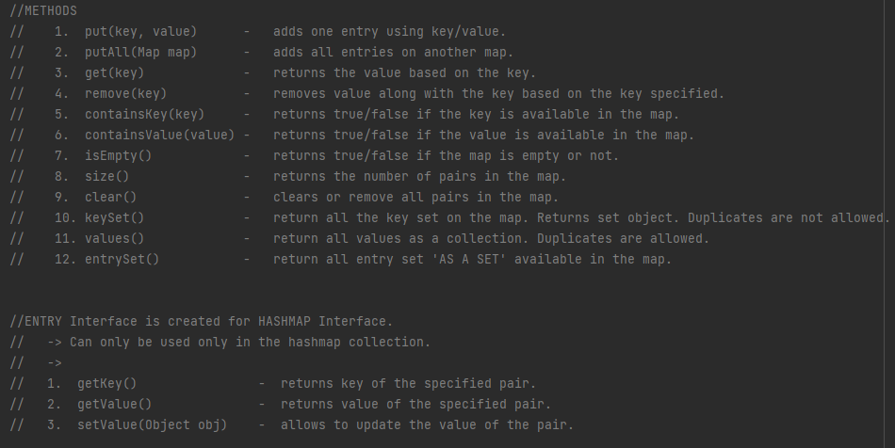
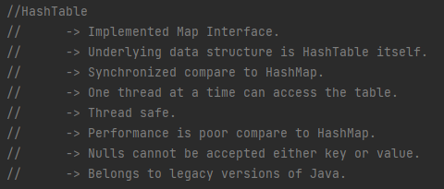

SAME METHODS AS HASHMAP

